Sheet1
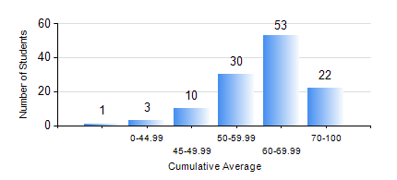
 |  |  | KWAME NKRUMAH UNIVERSITY OF SCIENCE AND TECHNOLOGY, KUMASI Department of Petroleum Engineering

 |  |  | BSC. PETROLEUM ENG.

 |  |  | COMPREHENSIVE RECORD OF EXAMINATION RESULTS

 |  |  | RESULTS OF YEAR 3 FIRST SEMESTER, 2024/2025 ACADEMIC YEAR

 | Sn | Course Code |  | Course Name | Credit Hours | Min. Mark | Max. Mark | Avg. Mark | Std. Dev. | No. Passed | No. Trailed | No. (Df) | No. (I) | No. (I*) | No. Tagged(I,I*,Df) | Total
 | 0. |  |  |  |  |  |  | 0 | 0 | 0 | 0 | 0 | 0 | 0 | 0 | 16
 | 1. | PE 351 |  | PETROLEUM ROCK MECHANICS | 2 | 46 | 84 | 64 | 8.46 | 103 | 0 | 0 | 0 | 0 | 0 | 103
 | 2. | PE 353 |  | DRILLING ENGINEERING I | 3 | 22 | 85 | 57 | 12.24 | 98 | 5 | 0 | 0 | 0 | 0 | 103
 | 3. | PE 355 |  | PETROLEUM ENGINEERING LABORATORY I | 2 | 9 | 76 | 54 | 10.58 | 101 | 2 | 0 | 0 | 0 | 0 | 103
 | 4. | PE 357 |  | PETROLEUM PRODUCTION ENGINEERING I | 3 | 20 | 80 | 60 | 11.65 | 98 | 5 | 0 | 0 | 0 | 0 | 103
 | 5. | PE 359 |  | RESERVOIR PETROPHYSICS | 3 | 40 | 84 | 66 | 10.71 | 103 | 0 | 0 | 0 | 0 | 0 | 103
 | 6. | PE 361 |  | RESERVOIR ENGINEERING II | 3 | 11 | 95 | 54 | 18.03 | 85 | 17 | 0 | 0 | 0 | 1 | 103
 | 7. | PE 363 |  | FORMATION EVALUATION | 3 | 32 | 86 | 68 | 11.48 | 100 | 3 | 0 | 0 | 0 | 0 | 103
 | 8. | PE 367 |  | STATISTICS FOR PETROLEUM ENGINEERS | 2 | 30 | 86 | 63 | 12.05 | 99 | 4 | 0 | 0 | 0 | 0 | 103

